T-Shirt
Image | Item# | Description | PACK | IN | Origin | Qty On Hand | UPC | Case Size | Wt | Cube | Tie | Hi | Item Size | Item Wt
 | U3336 | By Fantasy Activewear 100% cotton T-Shirt Black size 5/6 | 72 |  | Mexico | 18,428 | NO UPC | 23" x 14" x 7" | 13 | 1.3 | 5 | 13
 | U5602 | T-Shirt 100% cotton Black size 7 | 72 |  | Mexico | 14,535 |  | 23" x 14" x 7" | 15 | 1.3 | 5 | 13
 | U3335 | Fantasy Activewear 100% cotton T-Shirt Black size 4 | 72 |  | Mexico | 12,163 |  | 23" x 14" x 7" | 16 | 1.3 | 5 | 13
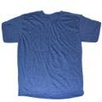 | U6245 | T-Shirt Denim HTR 50% cotton / 50% polyester size L | 96 |  | Mexico | 7,089 |  | 23" x 16" x 11" | 26 | 2.3 | 5 | 8
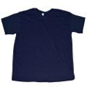 | T10321 | T-Shirt 100% cotton Navy size 5/6 | 72 |  | Mexico | 5,305 |  | 23" x 14" x 6" | 14 | 1.1 | 5 | 16
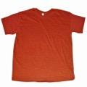 | U5517 | Teestyled T-Shirt 50% Cotton 50% Polyester Wall HTR Red size L | 72 |  | Mexico | 5,030 |  | 20" x 14" x 12" | 20 | 1.9 | 7 | 8
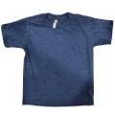 | T3118 | Teestyled T-Shirt Denim HTR 50% Cotton 50% polyester size 5/6 | 72 |  | Mexico | 4,770 |  | 24" x 14" x 6" | 13 | 1.1 | 5 | 16
 | S7151 | Teestyled T-Shirt 100% cotton Navy size S | 72 |  | Mexico | 4,500 |  | 20" x 14" x 12" | 19 | 1.9 | 7 | 8
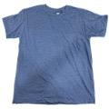 | U5503 | Teestyled T-Shirt Denim HTR 50% Cotton 50% polyester Size 7 | 72 |  | Mexico | 3,931 |  | 23" x 14" x 6" | 15 | 1.1 | 5 | 16
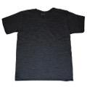 | U8405 | Teestyled T-Shirt HTR 50% Cotton 50% Polyester Charcoal size M | 120 |  | Mexico | 3,784 |  | 23" x 16" x 11" | 28 | 2.3 | 5 | 8
 | S6236 | T-Shirt 100% cotton Navy size L | 72 |  | Mexico | 3,622 |  | 20" x 14" x 12" | 20 | 1.9 | 7 | 8
 | U5418 | Teestyled 50% Cotton 50% Polyester T-Shirt Charcoal size S | 72 |  | Mexico | 3,563 |  | 19" x 14" x 12" | 17 | 1.8 | 7 | 8
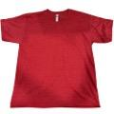 | U5420 | Teestyled T-Shirt Wall HTR 50% Cotton 50% Polyeste Red size S | 72 |  | Mexico | 3,475 |  | 19" x 14" x 11" | 17 | 1.7 | 7 | 8
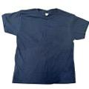 | 4003B | T-Shirt Navy 100% Cotton Size 7 | 72 |  | Mexico | 3,165 |  | 23" x 14" x 6" | 13 | 1.1 | 5 | 16
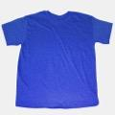 | U8119 | Teestyled 50% cotton / 50% polyester T-Shirt Wall HTR Royal size M | 120 |  | Mexico | 3,107 |  | 24" x 16" x 11" | 27 | 2.4 | 5 | 8
 | U1617 | Teestyled T-Shirt 100% cotton Navy size XL | 72 |  | Mexico | 3,011 |  | 20" x 14" x 12" | 21 | 1.9 | 7 | 8
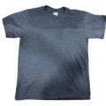 | S2308 | T-Shirt Navy HTR 50% Cotton 50% polyester size S | 72 |  | Mexico | 2,917 |  | 20" x 14" x 12" | 16 | 1.9 | 7 | 8
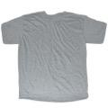 | U0901 | T-Shirt 90% cotton/ 10% polyester HTR Grey/White size 5/6 | 72 |  | Mexico | 2,952 |  | 23" x 14" x 7" | 12 | 1.3 | 5 | 13
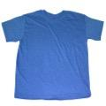 | U5002 | Teestyled T-Shirt 50% Cotton 50% polyester Light Blue size S | 72 |  | Mexico | 2,857 |  | 20" x 14" x 12" | 16 | 1.9 | 7 | 8
 | Q12222 | T-Shirt 96% Polyester 4% Other fibers Black size 4 | 72 |  | Mexico | 2,699 |  | 23" x 14" x 7" | 12 | 1.3 | 5 | 13
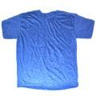 | T14444 | Teestyled T-Shirt Wall HTR 50% cotton / 50% polyester Royal size S | 72 |  | Mexico | 2,685 |  | 20" x 14" x 12" | 17 | 1.9 | 7 | 8
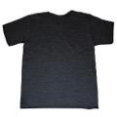 | U5456 | Teestyled T-Shirt 50% Cotton 50% PolyesterCharcoal HTR size XL | 84 |  | Mexico | 2,568 |  | 24" x 16" x 11" | 25 | 2.4 | 5 | 8
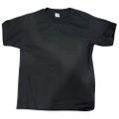 | T15649 | T-Shirt Black 100% Cotton size XS | 72 |  | Mexico | 2,531 |  | 20" x 13" x 12" | 15 | 1.8 | 7 | 8
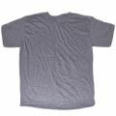 | S6619 | T-Shirt 90% Cotton -10% Polyester HTR Grey/White Size M | 72 |  | Mexico | 2,519 |  | 20" x 14" x 12" | 18 | 1.9 | 7 | 8
 | U5508 | Teestyled T-Shirt Wall HTR 50% Cotto 50% Polyester Red size M | 96 |  | Mexico | 2,332 |  | 24" x 16" x 11" | 26 | 2.4 | 5 | 8
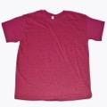 | U2611 | Teestyled T-Shirt 50% cotton / 50% polyester Crimson size XL | 72 |  | Mexico | 2,379 |  | 20" x 14" x 12" | 21 | 1.9 | 7 | 8
 | R13707 | T-Shirt Navy 100% cotton size XS | 72 |  | Mexico | 2,154 |  | 19" x 14" x 12" | 14 | 1.8 | 7 | 8
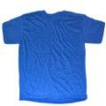 | T3105 | T-Shirt HTR 50% polyester / 50% cotton Royal Size 7 | 72 |  | Mexico | 2,086 |  | 23" x 14" x 7" | 15 | 1.3 |  | 13
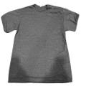 | S2045 | Teestyled T-Shirt HTR 50% Cotton 50% polyester Navy size XL | 72 |  | Mexico | 2,013 |  | 20" x 14" x 11" | 22 | 1.8 | 7 | 16
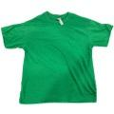 | T14435 | Teestyled T-Shirt Kelly 50% Cotton 50% Polyester Size S | 72 |  | Mexico | 1,937 |  | 20" x 14" x 12" | 17 | 1.9 | 7 | 8
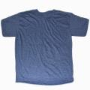 | U8105 | Teestyled 50% Cotton-50% Polyester T-Shirt Denim Size XL | 96 |  | Mexico | 2,005 |  | 28" x 24" x 11" | 28 | 2.4 | 5 | 8
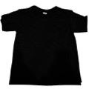 | K6995C | T-Shirt Black 100% Cotton size 6 | 72 |  | Mexico | 1,870 |  | 24" x 14" x 6" | 18 | 1.2 | 5 | 16
 | U3315 | Teestyled T-Shirt 100% cotton Black Size XL | 84 |  | Mexico | 1,638 |  | 23" x 16" x 11" | 28 | 2.3 | 5 | 8
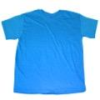 | U6255 | Teestyled T-Shirt HTR 50% cotton 50% polyester Turquoise Size L | 96 |  | Mexico | 1,530 |  | 24" x 16" x 11" | 27 | 2.4 | 5 | 8
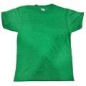 | S0831 | T-Shirt HTR Kelly 50% Cotton 50% Polyestyer sizeXS | 72 |  | Mexico | 1,509 |  | 19" x 14" x 11" | 15 | 1.7 | 7 | 8
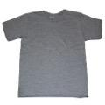 | T2813 | T-Shirt HTR 90%cotton/ 10% polyester Grey/White Size 4 | 72 |  | Mexico | 1,438 |  | 23" x 14" x 6" | 12 | 1.1 | 5 | 16
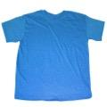 | U6020 | Teestyled T-Shirt 50% cotton 50% polyester Turquoise HTR size S | 144 |  | Mexico | 1,438 |  | 24" x 16" x 11" | 33 | 2.4 | 5 | 8
 | U8120 | Teestyled T-Shirt HTR 50% cotton / 50% polyester Royal size L | 72 |  | Mexico | 1,353 |  | 20" x 14" x 12" | 19 | 1.94 | 5 | 8
 | S1741 | Teestyled 50% Cotton 50% Polyesterc T-Shirt HTR Navy Size L | 72 |  | Mexico | 1,381 |  | 20" x 14" x 12" | 20 | 1.9 | 7 | 8
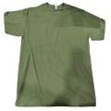 | Q4536 | Teestyled T-Shirt HTR 100% Cotton Green size M | 72 |  | Mexico | 1,150 |  | 24" x 16" x 11" | 21 | 2.4 | 5 | 8
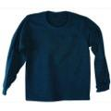 | Q6223 | Teestyled T-Shirt Navy 100% Cotton Long Sleeve size M | 72 |  | Mexico | 1,164 |  | 20" x 14" x 11" | 22 | 1.8 | 7 | 8
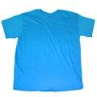 | U3342 | T-Shirt 100% cotton Turquoise Size S | 144 |  | Mexico | 1,146 |  | 24" x 16" x 11" | 32 | 2.44 | 5 | 8
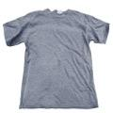 | S1743 | Teestyled T-Shirt HTR 50% Cotton 50% polyester Navy size M | 72 |  | Mexico | 1,149 |  | 20" x 14" x 11" | 18 | 1.8 | 7 | 8
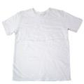 | T5740D | T-Shirt 100% Cotton White size 4T | 72 |  | Mexico | 1,150 |  | 24" x 14" x 6" | 14 | 1.2 | 5 | 16
 | T5740C | T-Shirt 100% cotton White size 5 | 72 |  | Mexico | 1,070 |  | 23" x 14" x 7" | 16 | 1.3 | 5 | 13
 | U3343 | T-Shirt Black 100% cotton size M | 120 |  | Mexico | 1,079 |  | 24" x 16" x 11" | 33 | 2.4 |  | 8
 | Q6223B | Teestyled T-Shirt 100% Cotton Navy Long Sleeve XL | 72 |  | Mexico | 1,030 |  | 20" x 14" x 11" | 27 | 1.8 | 7 | 8
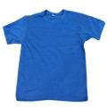 | S0514 | T-Shirt HTR Sea Blue 50% Cotton 50% Polyester Size M | 72 |  | Mexico | 1,079 |  | 20" x 14" x 11" | 19 | 1.8 | 7 | 8
 | T5740 | T-Shirt 100% Cotton White size 6 | 72 |  | Mexico | 985 |  | 23" x 14" x 6" | 17 | 1.1 | 5 | 16
 | S1701 | Teestyled T-Shirt 50% Cotton 50% Polyester HTR Royal Size XL | 72 |  | Mexico | 921 |  | 20" x 14" x 12" | 22 | 1.9 | 7 | 13
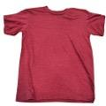 | U2640 | Teestyled T-Shirt Crimson HTR 50% Cotton 50% Polyester size M | 72 |  | Mexico | 886 |  | 20" x 14" x 11" | 20 | 1.8 | 7 | 8
 | T3119 | Teestyled T-Shirt Wall HTR Royal 50%c Cotton / 50% Polyester Size 5/6 | 72 |  | Mexico | 858 |  | 23" x 14" x 7" | 12 | 1.3 | 5 | 13
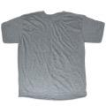 | T10613 | Teestyled T-Shirt HTR 90% cotton/ 10% polyester Grey Size XL | 72 |  | Mexico | 775 |  | 19" x 14" x 12" | 21 | 1.8 | 7 | 8
 | U1128 | T-Shirt 100% cotton Black size L | 72 |  | Mexico | 734 |  | 20" x 14" x 12" | 21 | 1.9 | 7 | 8
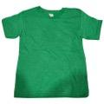 | S0840 | T-Shirt Kelly 50% Cotton 50% Polyester size 5/6 | 72 |  | Mexico | 730 |  | 24" x 14" x 6" | 12 | 1.2 | 5 | 16
 | T15740E | T-Shirt White 100% Cotton Size 2T | 72 |  | Mexico | 672 |  | 24" x 14" x 6" | 12 | 1.1 | 5 | 16
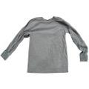 | T14454B | Teestyled T-Shirt Graphite HTR 50% Cotton 50% polyester Tank size XL | 72 |  | Mexico | 574 |  | 20" x 14" x 11" | 27 | 1.8 | 7 | 8
 | T5740B | T-Shirt 100% cotton White size 3T | 72 |  | Mexico | 501 |  | 23" x 14" x 6" | 13 | 1.1 | 5 | 16
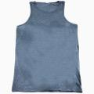 | J613900C | T-Shirt Navy HTR 50% Cotton 50% polyester Tank Top size L | 72 |  | Mexico | 477 |  | 23" x 16" x 10" | 22 | 2.1 | 5 | 9
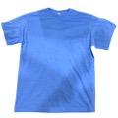 | R15305 | T-Shirt Light Blue HTR 50% Cotton 50% Polyester Size XL | 72 |  | Mexico | 485 |  | 20" x 14" x 12" | 23 | 1.9 | 7 | 8
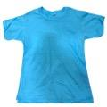 | S14723 | T-Shirt Pacific Blue100% Cotton Size XS | 72 |  | Mexico | 426 |  | 20" x 14" x 12" | 11 | 1.9 |  | 8
 | S14723C | T-Shirt Pacific Blue 100% Cotton size M | 72 |  | Mexico | 429 |  | 20" x 14" x 11" | 16 | 1.8 |  | 8
 | S14723D | T-Shirt Pacific Blue 100% Cotton Size S | 72 |  | Mexico | 431 |  | 20" x 14" x 11" | 13 | 1.8 |  | 8
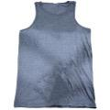 | J613900B | T-Shirt Navy HTR 50% Cotton 50% polyester Tank Top size M | 72 |  | Mexico | 405 |  | 23" x 16" x 10" | 21 | 2.1 | 5 | 9
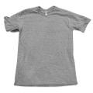 | S4601 | Teestyled T-Shirt 50% Cotton 50% polyester Grey/White size XS | 72 |  | Mexico | 430 |  | 24" x 14" x 6" | 18 | 1.2 | 5 | 16
 | S14723B | T-Shirt Pacific Blue 100% Cotton Size L | 72 |  | Mexico | 418 |  | 20" x 14" x 11" | 18 | 1.8 |  | 8
 | K6995 | T-Shirt 100% cotton Black size 5 | 72 |  | Mexico | 359 |  | 23" x 14" x 7" | 17 | 1.3 |  | 13
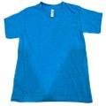 | T12949 | Teestyled T-Shirt Turquoise HTR 50% Cotton 50% Polyester Size 7 | 72 |  | Mexico | 357 |  | 23" x 14" x 6" | 14 | 1.1 |  | 16
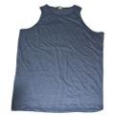 | J613900 | T-Shirt 50% cotton / 50% polyester Navy HTR size XL Tank Top | 72 |  | Mexico | 320 |  | 23" x 16" x 10" | 24 | 2.1 | 5 | 9
 | T12947 | Teestyled T-Shirt HTR Turquoise 50% Cotton 50% Polyester Size 4 | 72 |  | Mexico | 336 |  | 24" x 14" x 6" | 11 | 1.2 | 5 | 16
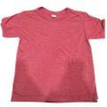 | R7442 | T-Shirt Crimson HTR 50% Cotton 50% Polyester size 5/6 | 72 |  | Mexico | 287 |  | 24" x 14" x 6" | 12 | 1.2 |  | 16
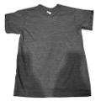 | U6003 | T-Shirt Charcoal HTR 50% Cotton 50% polyester size 5/6 | 72 |  | Mexico | 287 |  | 24" x 14" x 6" | 13 | 1.2 |  | 16
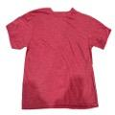 | U5404 | Teestyled T-Shirt HTR Crimson 50% Cotton 50% Polyester size L | 72 |  | Mexico | 287 |  | 19" x 14" x 11" | 20 | 1.7 |  | 8
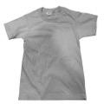 | S14721 | T-Shirt Silver 100% Cotton Size S | 72 |  | Mexico | 215 |  | 20" x 14" x 11" | 13 | 1.8 |  | 8
 | R6928 | By Fantasy Activewear T-Shirt HTR Royal size XS | 72 |  | Mexico | 275 |  | 19" x 13" x 12" | 15 | 1.7 |  | 8
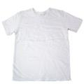 | T15740B | T-Shirt White 50% Poly 38% Cott 12% Rayon Size 3T | 72 |  | Mexico | 251 |  | 24" x 14" x 6" | 12 | 1.1
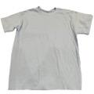 | S14721C | T-Shirt Silver 100% Cotton size M | 72 |  | Mexico | 215 |  | 20" x 14" x 11" | 16 | 1.8
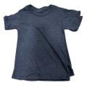 | S1338 | T-Shirt Navy HTR 50% Cotton 50% Polyester Size SX | 96 |  | Mexico | 192 |  | 20" x 14" x 11" | 14 | 1.8 |  | 8
 | S13918 | T-Shirt Pacific Blue100% Cotton Size XL | 96 |  | Mexico | 156 |  | 20" x 14" x 11" | 27 | 1.8 |  | 8
 | U5414 | Teestyled T-Shirt Denim HTR 50% Cotton 50% polyester size S | 72 |  | Mexico | 142 |  | 14" x 14" x 11" | 17 | 1.7 |  | 8
 | T15653 | Teestyled T-Shirt White 100% Cotton Size 7 | 72 |  | Mexico | 143 |  | 24" x 14" x 6" | 13 | 1.1 |  | 16
 | U3343B | T-Shirt Black 100% Cotton Tank Top M | 96 |  | Mexico | 137 |  | 20" x 14" x 12" | 21 | 1.9
 | S14721B | T-Shirt Silver 100% Cotton Size L | 72 |  | Mexico | 100 |  | 20" x 14" x 11" | 18 | 1.8
 | T14454C | Teestyled T-Shirt Graphite HTR 50% Cotton 50% Polyester Long Sleeve Size M | 91 |  | Mexico | 86 |  | 20" x 14" x 11" | 28 | 1.8 |  | 8
 | Q1126 | Teestyled T-Shirt 100% cotton Pastel Pink size M | 91 |  | Mexico | 88 |  | 20" x 14" x 12" | 22 | 1.9 |  | 8
 | T14454 | Teestyled T-Shirt Graphite HTR 50% Cotton 50% polyesterTank size XL | 84 |  | Mexico | 84 |  | 20" x 14" x 11" | 27 | 1.8
 | K6995B | T-Shirt 100% cotton Black size T3 | 80 |  | Mexico | 80 |  | 24" x 14" x 6" | 16 | 1.2 |  | 16
 | R7430 | Teestyled T-Shirt Denim HTR 50% Cotton 50% polyester size 4 | 73 |  | Mexico | 73 |  | 24" x 14" x 6" | 12 | 1.1 |  | 16
 |  |  |  |  |  | 173,893

